BOM
 |  |  |  | 1 | 315-PA0035C-ND PA0035C Chip Quik Inc. TSSOP-20 TO DIP-20 SMT ADAPTER (
 |  |  |  | 2 | NVT2008PW,118 IC TRANSLATOR BIDIR 20TSSOP |  |  |  |  | DigiKey
 |  |  |  | 5 | LSF0108PWR IC TRANSLATOR BIDIR 20TSSOP |  |  |  |  | DigiKey | Bi-dir lev trans search
 |  |  |  | 10 | FDV301N onsemi MOSFET N-CH 25V 220MA SOT23
 |  |  |  |  | BSH105,215 MOSFET N-CH 20V 1.05A TO236AB
 |  |  |  |  | SN74LVC07ADR Texas Instruments IC BUF NON-INVERT 5.5V 14SOIC |  |  |  |  | Digikey

 |  |  |  |  | 9163CA-ND Capital Advanced Technologies MPN 9163 PROTOBOARD 14/16 SOIC SMT SIP
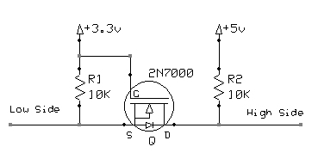

Index | Quantity | Part Number | Manufacturer Part Number | Description | Customer Reference | Available | Backorder | Unit Price | Extended Price USD
1 | 10 | 296-8441-1-ND | SN74LVC07ADR | IC BUF NON-INVERT 5.5V 14SOIC |  | 10 | 0 | 0.314 | 3.14
2 | 10 | FDV301NCT-ND | FDV301N | MOSFET N-CH 25V 220MA SOT23 |  | 10 | 0 | 0.291 | 2.91
3 | 10 | 1727-4924-1-ND | BSH105,215 | MOSFET N-CH 20V 1.05A TO236AB |  | 10 | 0 | 0.296 | 2.96
4 | 3 | 296-8504-1-ND | SN74LVC257ADR | IC MULTIPLEXER 4 X 2:1 16SOIC |  | 3 | 0 | 0.79 | 2.37
5 | 2 | 296-8527-5-ND | SN74LVC573ADW | IC OCTAL TRANSPAR LATCH 20-SOIC |  | 2 | 0 | 1.5 | 3.00

